Hoja1
 |  | Valores
 |  | Ordenes de Compra | 11
 |  | O.C. Fecha | 10
 |  | O.C. Cantidad | 11
 |  | OnTime | 90.91 %
 |  | InFull | 100.00 %
 |  | OTIF | 90.91 %
 | Ordenes de Compra | OC Max
Alemania | 1
Bolivia | 2 | 2
China | 2 | 2
Colombia | 1
España | 2 | 2
Estados Unidos | 1
Panamá | 1
Venezuela | 1
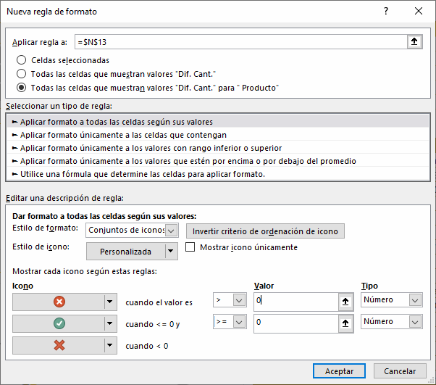
 |  | Producto | C. Solicitada | Dif. Cant.
 |  | A. Datum Bridge Digital Camera M300 Black | 599 | -4
 |  | A. Datum Compact Digital Camera M200 Black | 775 | 2
 |  | A. Datum Rangefinder Digital Camera X200 Black | 1,084 | -9
 |  | A. Datum SLR Camera 35" X358 Grey | 245 | 0
 |  | A. Datum SLR Camera X135 Black | 936 | 2
 |  | A. Datum SLR Camera X141 Blue | 718 | 1
 |  | Adventure Works 19" Portable LCD HDTV M110 White | 550 | -3
 |  | Adventure Works 20" CRT TV E15 Black | 603 | -2
 |  | Adventure Works 20" CRT TV E15 Silver | 1,472 | -4
 | Ordenes de Compra | O.C. Año Anterior
Enero | 7 | 14
Febrero | 11 | 22
Marzo | 12 | 25
Abril | 12 | 28
Mayo | 7 | 20
Junio | 7 | 18
Julio | 7 | 17
Agosto | 11 | 14
Setiembre | 11 | 18
Octubre | 11 | 20
Noviembre | 12 | 8
Diciembre | 12 | 11
 |  | Adventure Works 40" LCD HDTV M690 Black | 820 | -4
 |  | Adventure Works Desktop PC2.30 MD230 Brown | 1,288 | 0
 |  | Adventure Works Desktop PC2.33 XD233 Silver | 1,297 | 0
 |  | Adventure Works LCD19 E108 Black | 558 | -1
 |  | Adventure Works LCD24 X300 Black | 519 | 0
 |  | Contoso 2-Line Speakerphone M109 Black | 577 | -3
 |  | Contoso 4 Handset Cordless Phone System M86 Black | 1,068 | 0
 |  | Contoso 512MB MP3 Player E51 Blue | 818 | -1
 |  | Contoso 512MB MP3 Player E51 Silver | 1,269 | -6
 |  | Contoso behind Centrex X15 Black | 736 | 0
 |  | Contoso DVD 15-Inch Player Portable L200 White | 346 | 0
 |  | Contoso Phone for MSN E200 Black | 348 | 0
 |  | Contoso SLR Camera X142 Black | 529 | -3
 |  | Contoso SLR Camera X143 Silver | 381 | -2
=DISTINCTCOUNT(Ordenes[N_ODC]) |  | Fabrikam Laptop12W M2080 Silver | 877 | -2
 |  | Fabrikam Laptop13.3 M3000 Red | 888 | -2
País | UNI | Fabrikam Laptop19W M9800 Black | 488 | 3
Alemania | 5 | NT Bluetooth Active Headphones E202 Black | 1,212 | 1
China | 8 | NT Bluetooth Stereo Headphones E52 Blue | 404 | -10
España | 6 | NT Wireless Bluetooth Stereo Headphones E302 Silver | 319 | -2
Estados Unidos | 2 | NT Wireless Transmitter and Bluetooth Headphones M150 Black | 981 | -6
Paraguay | 3 | Proseware LCD24 X300 Black | 714 | -12
Venezuela | 4 | SV 16xDVD M300 Black | 354 | 0
 |  | SV Car Video LCD7 M7001 Brown | 406 | 0
=Var XYTabla=CALCULATETABLE(
SUMMARIZE(Proveedor;Proveedor[País];
"UNI";Ordenes[Ordenes de Compra]);
ALLSELECTED())
Var XYMax=MAXX(XYTabla;[UNI])
Return
IF(XYMax=Ordenes[Ordenes de Compra];XYMax;BLANK())
 |  | SV Car Video LCD7W M7080 Black | 153 | 22
 |  | SV DVD 48 DVD Storage Binder M50 Black | 374 | -5
 |  | SV DVD External DVD Burner M200 Silver | 487 | 2
 |  | SV DVD Player M100 Black | 832 | 0
 |  | The Phone Company Pen Touch Screen Phones M320 Grey | 525 | -4
 |  | The Phone Company Touch Screen Phones - CRT M11 Black | 783 | -5
 |  | The Phone Company Touch Screen Phones Infrared M901 Black | 378 | 3
 |  | WWI 1GB Pulse Smart pen E50 White | 1,456 | 6
 |  | WWI 2GB Pulse Smart pen M100 Black | 1,245 | -16
 |  | WWI 2GB Spy Video Recorder Pen M300 Purple | 632 | 1
 |  | WWI 4GB Video Recording Pen X200 Black | 1,504 | 0
 |  | WWI CRT17 E106 White | 1,124 | -8
 |  | WWI Desktop PC2.33 X2330 Silver | 997 | -2
 |  | WWI Laptop19W X0196 White | 567 | 0
 |  | WWI LCD24 X300 Black | 738 | -2
 |  | WWI Stereo Bluetooth Headphones E1000 Blue | 332 | -2
 |  | Total general | 36,306 | -77

